result
hour | successful_orders | canceled_orders | cancel_rate
0 | 2297 | 139 | 0.057
1 | 1867 | 98 | 0.05
2 | 1422 | 62 | 0.042
3 | 958 | 56 | 0.055 | SELECT hour, successful_orders, canceled_orders,
4 | 926 | 48 | 0.049 | ROUND(canceled_orders::DECIMAL/orders,3) AS cancel_rate
5 | 1363 | 77 | 0.053 | FROM(
6 | 1583 | 101 | 0.06 | SELECT DATE_PART ('hour', creation_time)::int AS hour,
7 | 2101 | 100 | 0.045 | COUNT (order_id) FILTER (WHERE order_id IN (SELECT order_id FROM courier_actions WHERE action='deliver_order')) AS successful_orders,
8 | 2195 | 117 | 0.051 | COUNT (order_id) FILTER (WHERE order_id IN (SELECT order_id FROM user_actions WHERE action='cancel_order')) AS canceled_orders,
9 | 2606 | 151 | 0.055 | COUNT (order_id) AS orders
10 | 2641 | 135 | 0.049 | FROM orders
11 | 2584 | 121 | 0.045 | GROUP BY hour) t
12 | 2440 | 124 | 0.048 | ORDER BY hour
13 | 2424 | 122 | 0.048
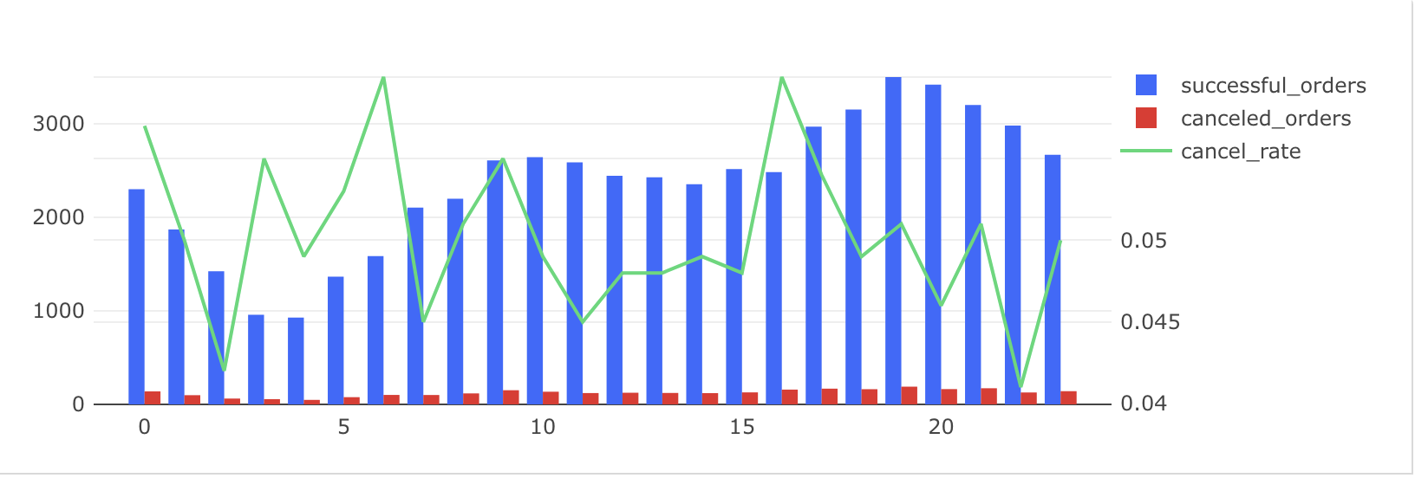
14 | 2351 | 120 | 0.049
15 | 2513 | 128 | 0.048
16 | 2480 | 158 | 0.06
17 | 2966 | 168 | 0.054
18 | 3149 | 162 | 0.049
19 | 3496 | 189 | 0.051
20 | 3414 | 163 | 0.046
21 | 3197 | 172 | 0.051
22 | 2978 | 127 | 0.041
23 | 2665 | 141 | 0.05

